Demand-to-prod-facilities
Inputs - Costs, Capacities, Demands (HighOptic & TelecomOne >> merged as TelecomOptic)
 | Demand City Production and Transportation Cost per 1000 Units |  |  |  |  |  | Fixed | Capacity
Supply City | Atlanta | Boston | Chicago | Denver | Omaha | Portland | Cost ($)
Baltimore | 1,675 | 400 | 685 | 1,630 | 1,160 | 2,800 | 7,650 | 18
Cheyenne | 1,460 | 1,940 | 970 | 100 | 495 | 1,200 | 3,500 | 24
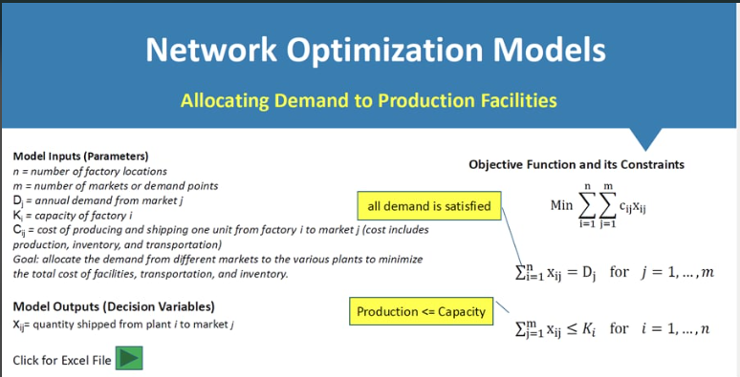
Salt Lake | 1,925 | 2,400 | 1,425 | 500 | 950 | 800 | 5,000 | 27
Memphis | 380 | 1,355 | 543 | 1,045 | 665 | 2,321 | 4,100 | 22
Wichita | 922 | 1,646 | 700 | 508 | 311 | 1,797 | 2,200 | 31
Demand | 10 | 8 | 14 | 6 | 7 | 11 |  |  | Dj
 |  |  |  |  |  |  |  | Ki
Decision Variables
 | Demand City - Production Allocation (1000 Units) |  |  |  |  |  | Plants
Supply City | Atlanta | Boston | Chicago | Denver | Omaha | Portland | (1=open)
Baltimore | 0 | 8 | 2 | 0 | 0 | 0 | 1 |  | i=1 | X Variables
Cheyenne | 0 | 0 | 0 | 6 | 0 | 0 | 1 |  | i=2
Salt Lake | 0 | 0 | 0 | 0 | 0 | 11 | 1 |  | i=3
Memphis | 10 | 0 | 12 | 0 | 0 | 0 | 1 |  | i=4
Wichita | 0 | 0 | 0 | 0 | 7 | 0 | 1 |  | i=5
 | j=1 | j=2 | j=3 | j=4 | j=5 | j=6 | Here, must be 1 !!!
Resulting Production Allocation
 | Demand City - Production Allocation (1000 Units)
Supply City | Atlanta | Boston | Chicago | Denver | Omaha | Portland
Baltimore | 0 | 64 | 28 | 0 | 0 | 0
Cheyenne | 0 | 0 | 0 | 36 | 0 | 0
Salt Lake | 0 | 0 | 0 | 0 | 0 | 121
Memphis | 100 | 0 | 168 | 0 | 0 | 0
Wichita | 0 | 0 | 0 | 0 | 49 | 0 |  |  |  |  | Supposed values with initial data

Constraints |  |  |  |  |  |  |  |  |  |  |  | 0 | 8 | 2 | 0 | 0 | 0 | 1
Supply City | Excess Capacity |  |  |  |  |  |  |  |  |  |  | 0 | 0 | 0 | 6 | 0 | 0 | 1
Baltimore | 8 |  |  |  |  |  | Production <= Capacity |  |  |  |  | 0 | 0 | 0 | 0 | 0 | 11 | 1
Cheyenne | 18 |  |  |  |  |  |  |  |  |  |  | 10 | 0 | 12 | 0 | 0 | 0 | 1
Salt Lake | 16 |  |  |  |  |  |  |  |  |  |  | 0 | 0 | 0 | 0 | 7 | 0 | 1
Memphis | 0
Wichita | 24
 | #VALUE!
 | Atlanta | Boston | Chicago | Denver | Omaha | Portland |  |  |  |  |  | Solver | Contraintes
Unmet Demand | 0 | 0 | 0 | 0 | 0 | 0 | All demand is satisfied, should be 0 in this case!!! |  |  |  |  |  | binary
 |  |  |  |  |  |  |  |  |  |  |  |  | >= 0
Objective Function |  |  |  |  |  |  |  |  |  |  |  |  | is = 1
Cost = | $26,463 |  |  |  |  |  |  |  |  |  |  |  | <= 0

Trial of Facility Model
Inputs - Costs, Capacities, Demands (HighOptic & TelecomOne >> merged as TelecomOptic)
 | Demand City Production and Transportation Cost per 1000 Units |  |  |  |  |  | Fixed | Capacity
Supply City | Atlanta | Boston | Chicago | Denver | Omaha | Portland | Cost ($)
Baltimore | 1,675 | 400 | 685 | 1,630 | 1,160 | 2,800 | 7,650 | 18
Cheyenne | 1,460 | 1,940 | 970 | 100 | 495 | 1,200 | 3,500 | 24
Salt Lake | 1,925 | 2,400 | 1,425 | 500 | 950 | 800 | 5,000 | 27
Memphis | 380 | 1,355 | 543 | 1,045 | 665 | 2,321 | 4,100 | 22
Wichita | 922 | 1,646 | 700 | 508 | 311 | 1,797 | 2,200 | 31
Demand | 10 | 8 | 14 | 6 | 7 | 11 |  |  | Dj
 |  |  |  |  |  |  |  | Ki
Decision Variables
 | Demand City - Production Allocation (1000 Units) |  |  |  |  |  | Plants
Supply City | Atlanta | Boston | Chicago | Denver | Omaha | Portland | (1=open)
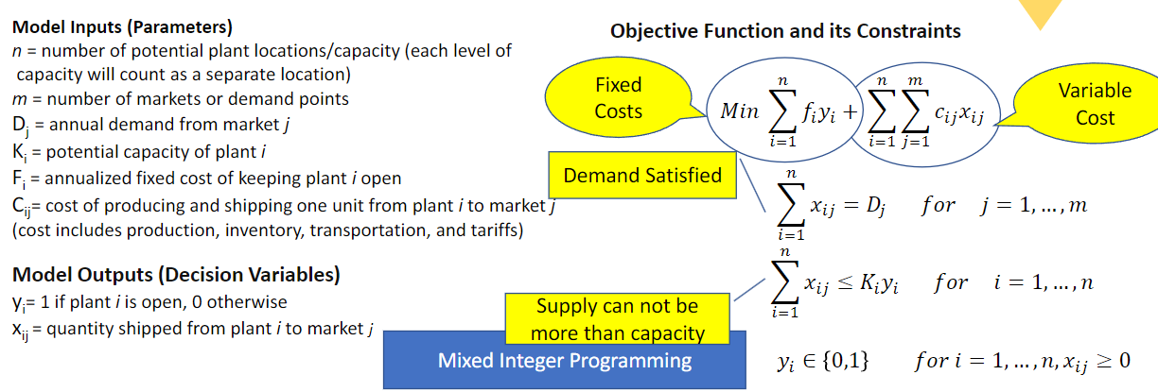
Baltimore | 0 | 8 | 2 | 0 | 0 | 0 | 1 |  | i=1
Cheyenne | 0 | 0 | 0 | 6 | 0 | 0 | 1 |  | i=2
Salt Lake | 0 | 0 | 0 | 0 | 0 | 11 | 1 |  | i=3
Memphis | 10 | 0 | 12 | 0 | 0 | 0 | 1 |  | i=4
Wichita | 0 | 0 | 0 | 0 | 7 | 0 | 1 |  | i=5
 | j=1 | j=2 | j=3 | j=4 | j=5 | j=6
Resulting Production Allocation
 | Demand City - Production Allocation (1000 Units)
Supply City | Atlanta | Boston | Chicago | Denver | Omaha | Portland
Baltimore | 0 | 64 | 28 | 0 | 0 | 0
Cheyenne | 0 | 0 | 0 | 36 | 0 | 0
Salt Lake | 0 | 0 | 0 | 0 | 0 | 121
Memphis | 100 | 0 | 168 | 0 | 0 | 0
Wichita | 0 | 0 | 0 | 0 | 49 | 0

Constraints
Supply City | Excess Capacity
Baltimore | 8 |  |  |  |  |  | Production <= Capacity
Cheyenne | 16
Salt Lake | 13
Memphis | 16
Wichita | 24
Portland | -11
 | Atlanta | Boston | Chicago | Denver | Omaha | Portland
Unmet Demand | 0 | 0 | 0 | 0 | 0 | 0 | All demand is satisfied

Objective Function
Cost = | $48,913

